HRV
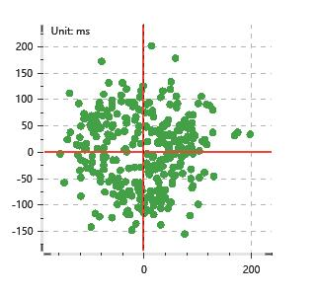
Data Info
 | Recording | 正式实验5
 | Subject | 屈灿
 | Create Time | 2023-11-17 16:04:11.770
 | Data Name | Chest1 ECG
 | Data Type | ECG
 | Sample Rate | 512
 | Segment | 前静息态
 | Start Time | 0:02:26
 | End Time | 0:07:26
 | Duration | 0:05:00

Replay Chart
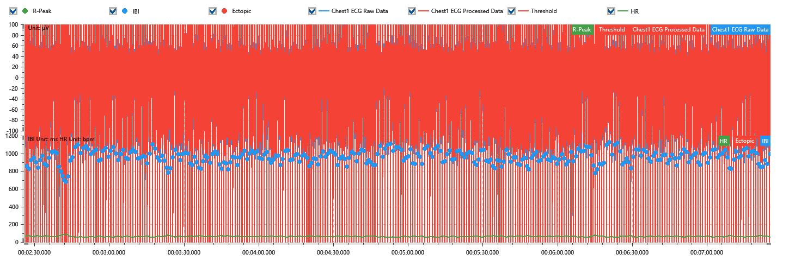

Process parameters
 | Filters
 | Wavlet filter | Enabled | 中
 | Amplitude normalization | Disabled | 中
 | High Pass filter | Enabled | 1μV
 | Band Stop filter | Enabled | 50μV
 | Low Pass filter | Enabled | 100μV
 | Interbeat Interval
 | R-Peak extraction | Maximum heart rate | 120bpm
 | R-Peak extraction | Threshold | 70%
 | Extopic detection | Percent | Disabled | 20%
 | Extopic detection | Median | Enabled | 4(samples)
 | Extopic correction | 中值 | 5(samples)

Time Domain
 | MeanIBI | MeanHR | SDNN | SDANN | RMSSD | SDSD | PNN50 | PNN20 | Data Length
 | 952.8ms | 63bpm | 74.19ms | 0ms | 68.52ms | 68.63ms | 51.44% | 79.87% | 314

Frequency Domain
 | Band | Range | Power | Power Percent | Power Normalized | Peak | Data Length
 | ULF | 0 - 0.0033Hz | 65.89ms² | 1.27% | 0 | 0Hz | 4
 | VLF | 0.0033 - 0.04Hz | 747.96ms² | 14.46% | 0 | 0Hz | 37
 | LF | 0.04 - 0.15Hz | 2553ms² | 49.37% | 0.59 | 0.08Hz | 113
 | HF | 0.15 - 0.4Hz | 1804.47ms² | 34.89% | 0.41 | 0.26Hz | 256

 | Total Power | 5171.31ms² | LF/HF | 1.41 | VLF/ULF | 0.09
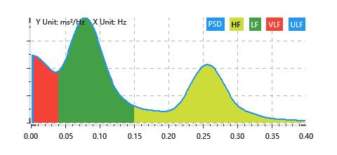

Nonlinear
 | Poincare | SD1 | 48.53ms | SD2 | 93.02ms
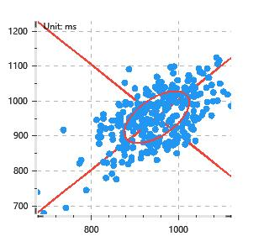

 | Scatter | A++ | 87 | B-- | 70

